Classical-Marginal-Bayes
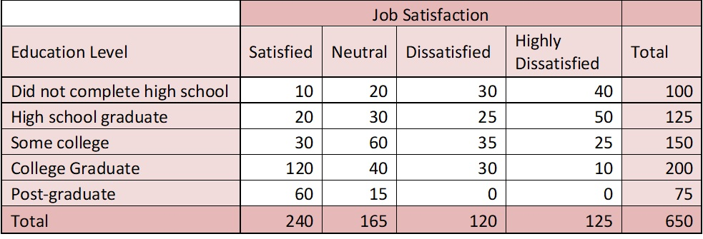
PROBLEM STATEMENT - CLASSICAL PROBABILITY , MARGINAL PROBABILITY, JOINT PROBABILITY AND BAYE's(CONDITIONAL) PROBABILITY A multinational farm conducted a job satisfaction survey on a sample of its employees. The table below summarizes the result of the survey. Assuming that the sample drawn is a random sample from its entire employee population, the HR would like to know the probability of the following events.

 | SOLUTION
(i)What percentage of Employees who are not Highly Dissatisfied | Total Count of Employees | 650
 | Total Count of Employees Not Highly Dissatisfied | 525
 | Classical Probability of Employees who are not Highly Dissatisfied | 0.80769230769

(ii) What percentage of Employees are Satisfied College Graduate | Total Count of Employees | 650
 | Total count of employees who are Satisfied and are College Graduate | 120
 | Joint Probability of Employees who are satisfied College Graduate (Joint probability is looking at the intersection cell and divide it with the total outcomes) | 0.18461538462

(ii) What percentage of Employees have a post graduate degree | Total Count of Employees | 650
 | Total Count of Employees with Post Graduate Degree | 75
 | Marginal Probability of an employee with post graduate degree (Marginal Probability is a probability which appears at a Margin , easy to understand it) | 0.11538461538

(iv) What is a probability that an employee is a College Graduate given that employee is satisfied. | Marginal Probability of an employee being Satisfied | 0.36923076923
 | Joint probability of an employee being satisfied and being a college graduate | 0.18461538462
 | P(College Graduate | Satisfied) (Conditional Probability) | 0.5

